HW Mixer
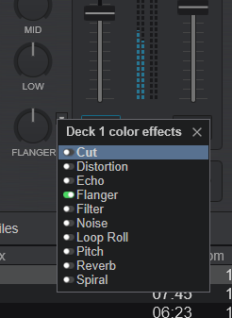
IS YOUR DDJ MODEL A REAL HW MIXER?

 |  | HW mixer
Controller | Mode | RCA inputs | MIC inputs | HW Monitor CUE | HW EQ | HW SoundColor | HW Beat FX
DDJ-1000 (RB) | Internal |  |  | yes
DDJ-1000-SRT | External |  |  | yes

DDJ-SX2 | Internal |  |  | yes
DDJ-SX3 | External |  |  | yes
DDJ-SZ1 | External |  |  | yes
DDJ-SZ2 | External |  |  | yes

DDJ-RX | Internal |  |  | yes
DDJ-RZ | Configurable |  |  | yes
DDJ-RZX | Configurable |  |  | yes

DDJ-SR1 |  | 1x Aux only |  | no
DDJ-SR2 |  | 2x RCA |  | configurable - default NO
DDJ-800 |  | 2x RCA |  | yes | yes | no | no
DDJ-400

Note: this is now configurable using shift+memory+cue_1

Signal Flows of all DDJ controllers:
https://github.com/pestrela/music_scripts/tree/master/signal_flows

virtual DJ

